Hoja 1
Miguel Alejandro Lomeli Haro
Mini analizador sinstactico (excel)

 | EJERCICIO 1

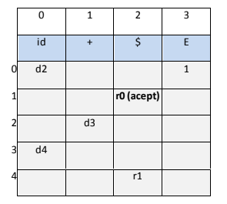
 | Pila | Entrada | Salida | R1 E->id + id
 | $0 | hola+mundo | d2
 | $0hola2 | +mundo | d3
 | $0hola2+3 | mundo | d4
 | $0hola2+3mundo4 | $ | R1 E->id + id
 | $0E1 | $ | R0

 | EJERCICIO 2
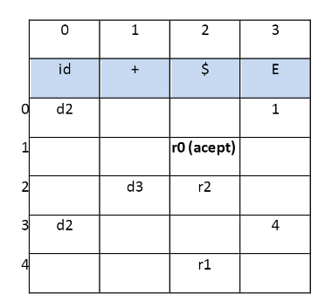
 | Pila | Entrada | Salida
 | $0 | a+b+c+d+f+e$ | d2 | R1 E->id + E
 | $0a2 | +b+c+d+f+e$ | d3 | R2 E->id
 | $0a2+3 | b+c+d+f+e$ | d2
 | $0a2+3b2 | +c+d+f+e$ | d3
 | $0a2+3b2+3 | c+d+f+e$ | d2
 | $0a2+3b2+3c2 | +d+f+e$ | d3
 | $0a2+3b2+3c2+3 | d+f+e$ | d2
 | $0a2+3b2+3c2+3d2 | +f+e$ | d3
 | $0a2+3b2+3c2+3d2+3 | f+e$ | d2
 | $0a2+3b2+3c2+3d2+3f2 | +e$ | d3
 | $0a2+3b2+3c2+3d2+3f2+3 | e$ | d2
 | $0a2+3b2+3c2+3d2+3f2+3e2 | $ | R2 E->id
 | $0a2+3b2+3c2+3d2+3f2+3E4 | $ | R1 E->id + E
 | $0a2+3b2+3c2+3d2+3E4 | $ | R1 E->id + E
 | $0a2+3b2+3c2+3E4 | $ | R1 E->id + E
 | $0a2+3b2+3E4 | $ | R1 E->id + E
 | $0a2+3E4 | $ | R1 E->id + E
 | $0E1 | $ | R0

